Sales Model
Sales Model
 |  |  | Next Year |  |  |  | N+1 Year |  |  |  | N+2 Year |  |  |  | Notes Sales booking capacity model - If you have different types of sellers (e.g., inside, enterprise) imagine one block like this per type - This model lets you see the bookings impact of varying drivers like productivity, attrition, ramping, and hiring - The art of building these is identifying which drivers to use and where and how to approximate – e.g., expansion ARR could be a single top-down number (e.g., % of New ARR from expansion) of it could be an attach-rate for a new product offering Sales-linked Marketing inverted funnel - This model links a sales booking capacity model to a marketing inverted funnel - It phase-shifts opportunity generation by 3 quarters for the sales cycle and lags opportunity creation by 1 quarter from MQL creation - Calculating opportunities needed with cost / opportunity enables reverse-engineering the demandgen portion of the marketing budget - It also helps ensure that sufficient pipeline is being generating early enough to support sales’ needs | Another example
 |  |  | Q1 | Q2 | Q3 | Q4 | Q1 | Q2 | Q3 | Q4 | Q1 | Q2 | Q3 | Q4
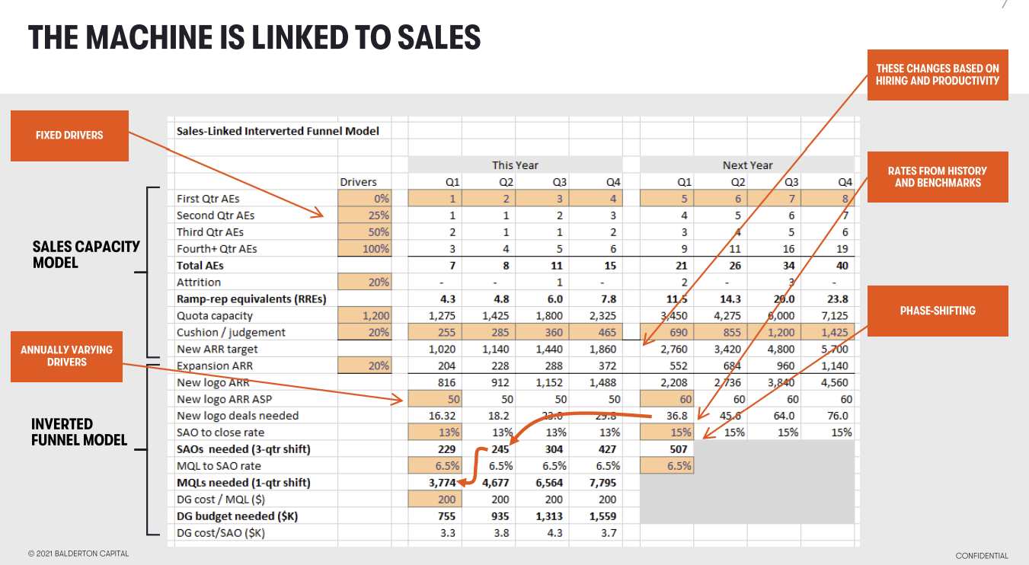
 |  |  | 1Q23 | 2Q23 | 3Q23 | 4Q23 | 1Q24 | 2Q24 | 3Q24 | 4Q24 | 1Q25 | 2Q25 | 3Q25 | 4Q25

 | Sales bookings capacity model
Line |  | Drivers
1 | First-quarter sellers (i.e., AEs) | 0% | 1 | 2 | 3 | 4 | 2 | 3 | 4 | 5 | 3 | 4 | 5 | 6
2 | Second-quarter sellers | 25% | 2 | 1 | 2 | 3 | 4 | 2 | 3 | 4 | 5 | 3 | 4 | 5
3 | Third-quarter sellers | 75% | 3 | 2 | 1 | 2 | 3 | 4 | 2 | 3 | 4 | 5 | 3 | 4
4 | Steady-state sellers 4th Qtr+) | 100% | 4 | 7 | 9 | 10 | 12 | 14 | 17 | 18 | 20 | 23 | 27 | 29
5 | Total sellers |  | 10 | 12 | 15 | 19 | 21 | 23 | 26 | 30 | 32 | 35 | 39 | 44
6 | Attrition | 20% | - | - | - | - | 1 | 1 | 1 | 1 | 1 | 1 | 1 | 2
7 | Ending sellers |  | 10 | 12 | 15 | 19 | 20 | 22 | 25 | 29 | 31 | 34 | 38 | 42
8 | Ramped-rep equivalents (RREs) |  | 6.8 | 8.8 | 10.3 | 12.3 | 15.3 | 17.5 | 19.3 | 21.3 | 24.3 | 27.5 | 30.3 | 33.3

9 | New ARR productivity | 250 | 1,688 | 2,188 | 2,563 | 3,063 | 3,813 | 4,375 | 4,813 | 5,313 | 6,063 | 6,875 | 7,563 | 8,313
10 | Judgement |  | 250 |  | (250) | - |  | (100) | (50) | 250
11 | New ARR plan target |  | 1,938 | 2,188 | 2,313 | 3,063 | 3,813 | 4,275 | 4,763 | 5,563 | 6,063 | 6,875 | 7,563 | 8,313
12 | Quarterly linearity |  | 20% | 23% | 24% | 32% | 21% | 23% | 26% | 30% | 21% | 24% | 26% | 29%
13 | YoY growth |  |  |  |  |  | 97% | 95% | 106% | 82% | 59% | 61% | 59% | 49%

 | Inverted Funnel Model

14 | New ARR Target |  | 1,938 | 2,188 | 2,313 | 3,063 | 3,813 | 4,275 | 4,763 | 5,563 | 6,063 | 6,875 | 7,563 | 8,313
15 | Expansion ARR | 20% | 388 | 438 | 463 | 613 | 763 | 855 | 953 | 1,113 | 1,213 | 1,375 | 1,513 | 1,663
16 | New logo ARR |  | 1,550 | 1,750 | 1,850 | 2,450 | 3,050 | 3,420 | 3,810 | 4,450 | 4,850 | 5,500 | 6,050 | 6,650 |  | https://www.balderton.com/news/how-to-build-a-marketing-machine-an-evening-with-dave-kellogg-at-balderton-hq/
17 | New logo ARR ASP |  | 50 | 50 | 50 | 50 | 60 | 60 | 60 | 60 | 70 | 70 | 70 | 70
18 | New logo deals needed |  | 31.0 | 35.0 | 37.0 | 49.0 | 50.8 | 57.0 | 63.5 | 74.2 | 69.3 | 78.6 | 86.4 | 95.0
19 | SAO-to-close rate |  | 13% | 13% | 13% | 13% | 15% | 15% | 15% | 15% | 16% | 16% | 16% | 16%
20 | SAO needed (3-Qtr shift) |  | 377 | 339 | 380 | 423 | 494 | 433 | 491 | 540 | 594
21 | MQL-to-SAO rate |  | 6.5% | 6.5% | 6.5% | 6.5% | 6.5% | 6.5% | 6.5% | 6.5% | 6.5%
22 | MQLs needed (1-Qtr shift) |  | 5,214 | 5,846 | 6,513 | 7,607 | 6,662 | 7,555 | 8,310 | 9,135
23 | DG cost / MQL ($) |  | 200 | 200 | 200 | 200 | 200 | 200 | 200 | 200
24 | DG budget needed ($K) |  | 1,043 | 1,169 | 1,303 | 1,521 | 1,332 | 1,511 | 1,662 | 1,827
25 | DG cost/SAO ($K) |  | 2.8 | 3.5 | 3.4 | 3.6 | 2.7 | 3.5 | 3.4 | 3.4

